Sheet1
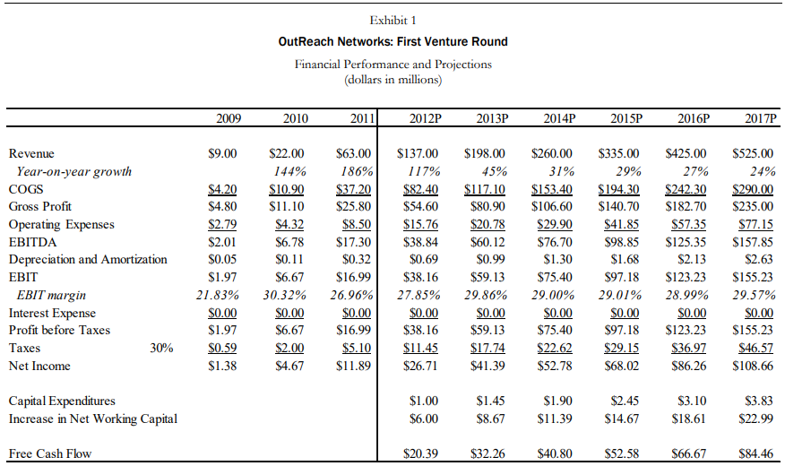
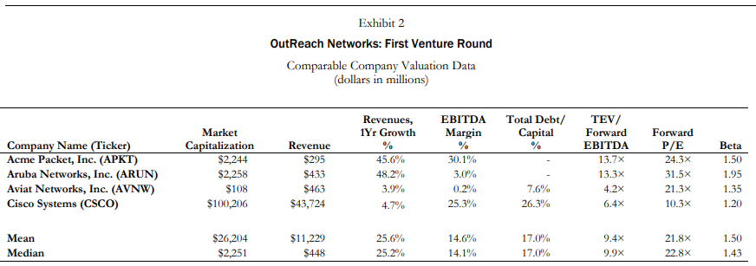

 | 1 | 2 | 3 | 4 | 5 | 6
DCF | 2012 | 2013 | 2014 | 2015 | 2016 | 2017 |  | Cost of Equity | 14% | PV | $174.67
WACC = 14% | $20.39 | $32.26 | $40.80 | $52.58 | $66.67 | $84.86 |  | Risk Free Rate | 5% | PV of TV | $451.05
PV of CFs | $17.89 | $24.82 | $27.54 | $31.13 | $34.63 | $38.66 |  | Market Risk Premium | 6% | Value | $625.71
PV | $174.67 |  |  |  |  |  |  | Industry Mean Beta | 1.50 | Probability of Failure | 50.00%
TV | $990.03 |  |  |  |  |  |  |  |  | Postmoney Value | $312.86
PV of TV | $451.05 |  |  |  |  |  |  |  |  | Premoney Value | $282.86
 |  |  |  |  |  |  |  |  |  | Ownership Value | 9.59%
VC Method
Average P/E | Investment | NI Year 6 | Required Equity Stake - VC | New Shares Issued | Price Per Share | Premoney Value | Postmoney Value
21.85 | $30,000,000.00 | $108,660,000.00 | 14.39% | 8,406,356.01 | $3.57 | $178,436,411.52 | $208,436,411.52

